Decision Tree Terminology
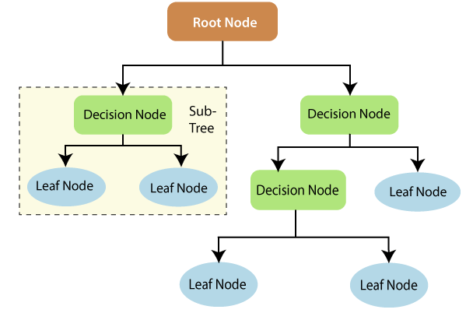
DECISION TREE CLASSIFEIR/ REGRESSOR TERMINOLOGY

